Getting Started
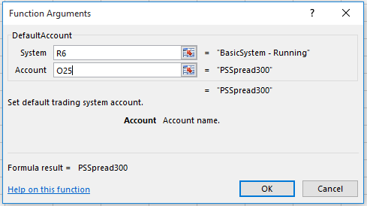
 |  |  | Now, you have access to all of the UDFs. |  |  |  | Enter in the name of the system with quotes.
(1) | Use Shift+F3 to open the Insert Function dialog and | (2) | First step is to declare a name for the Trade System. |  |  | (3) | Then set a cell to turn the system on or off. Cell V6 will start
 | select CQG Trade System from the drop down list. |  | Select a cell (here, R6), then select TradeSystem. Hit OK. |  |  |  | the trading system if 1 is entered and stop the system if 0 is entered.
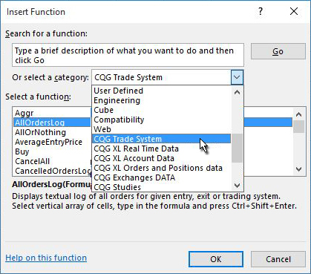
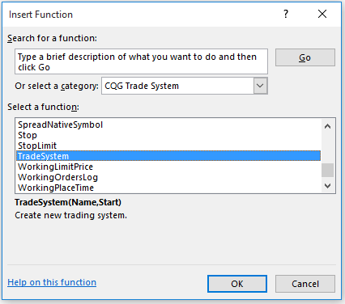

 |  |  |  |  |  |  | BasicSystem | 0

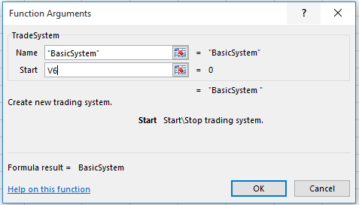

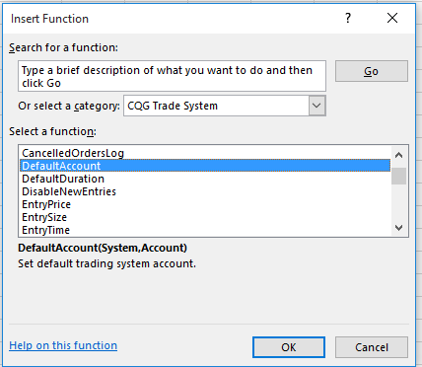
(4) | Next, the Default Account has to be associated | (5) | Select a different cell (here, K25) and then select Default Account.
 | with the Trading System. Enter in your simulated account |  | For the System select a cell with the Trading System Named (here R6). For
 | number in a cell (here, cell O25, replace PSspread300). |  | the Account select the cell with the Account Number (here, O25).

 |  |  |  | PSspread300 | PSspread300

Essential (Limit)
(1) | Once a Trading System has been been declared with an on/off |  |  | (3) | You can enter in the value for each parameter or use a cell reference.
 | cell reference and a Default Account has been assigned as below. |  |  | The Limit Order displaying parameters ('): |  |  |  |  | '=Limit("EP",5,2730.25,"Day","Buy",1)
 | (Replace PSspread300 in cell G10 with your simulated account) |  |  | This is the Limit Order displayed in Excel: |  |  |  |  | #ERROR Limit() failed: Unknown execution instruction "1". |  |  | Trick: An easy way to open the Function Dialog Box
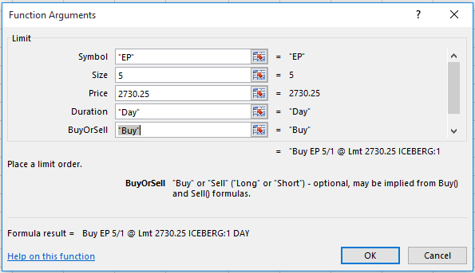
 | System Name |  | On/Off |  |  |  |  |  |  |  |  | #ERROR Limit() failed: Unknown execution instruction "1".
 | BasicSystem |  | 0

 | Default Account |  | Number
 | PSspread300 |  | PSspread300

(2) | Next, here are the steps to setting up a Limit order type which will be
 | used in a Buy order. To set up a Limit Order, select Limit from the list.
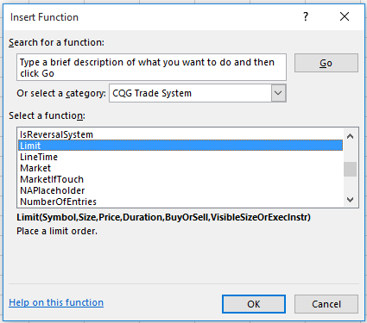
 |  |  |  |  |  |  |  |  |  |  | (1) | Select the cell with the function (W9), then click on the
 |  |  |  |  |  |  |  |  |  |  |  | function in the Formula bar. Then left-click the Insert
 |  |  |  |  |  |  |  |  |  |  |  | function icon and the Function Arguments opens.
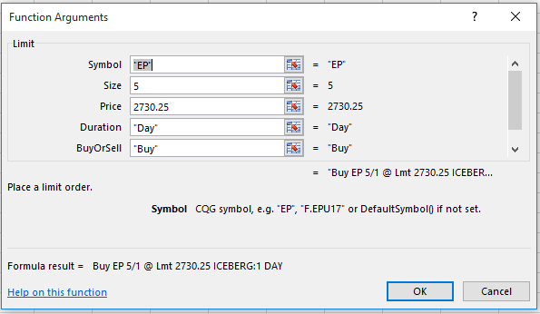

 |  |  |  | (4) | Here, the Limit Order parameters are cell references
 |  |  |  |  | Symbol: | EP | Price: | 2730.25 | BuyorSell: | Buy
 |  |  |  |  | Size: | 5 | Duration: | Day | VisibleSizeOrExecInstr: | 1
 |  |  |  | The Limit Order displaying parameters: |  |  |  |  | =Limit(N23,N24,P23,P24,T23,T24)
 |  |  |  | This is the Limit Order displayed in Excel: |  |  |  |  | #ERROR Limit() failed: Unknown execution instruction "1".
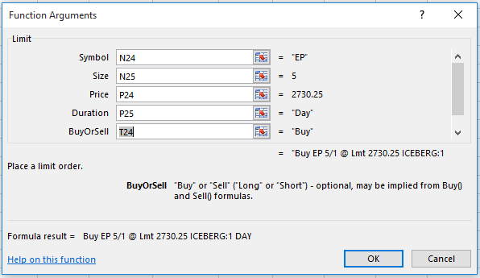

 | You can see the required parameters.
Symbol: |  | Such as "EP" (quotes are required)
Size: |  | Such as 5 (no quotes)
Price: |  | Such as 2730.25 (no quotes)
Duration: |  | Such as "Day" or "GTC" (quotes are required)
BuyorSell: |  | "Buy" or "Sell" (quotes are required) |  |  |  |  |  |  |  |  | (2) | Or, you can enter =Limit() into a cell and then click the insert
VisibleSizeOrExecInstr: |  | Enter in a value for visible size for an Iceberg order |  |  |  |  |  |  |  |  |  | function icon for the Limit dialog box.
 |  | or an Execution Instruction such as a Trailing Limit.
 |  | For a straight Limit Order leave the last parameter blank.

Essential (Buy)
System Name |  | On/Off
BasicSystem |  | 0
 |  |  | Please replace PSspread300 with your own simulated acount.
Default Account |  | Number
PSspread300 |  | PSspread300

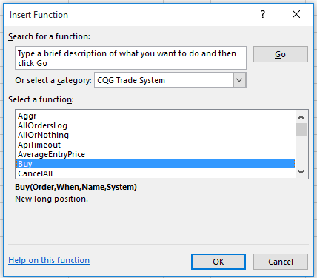
(1) | Next, setup a Buy using the Limit Order. |  |  | (2) | Here, the Limit Order parameters are cell references (new from the previous tab).
 | Select Buy and you see the four required parameters. |  |  |  | Symbol: | EP | Price: | 2730.25 | BuyorSell: |  | Buy
 |  |  |  |  | Size: | 5 | Duration: | Day | VisibleSizeOrExecInstr: |  | 1
 |  |  |  | The Limit Order displaying parameters ('): |  |  |  |  | =Limit(P10,P11,R10,R11,V10,V11)
 |  |  |  | This is the Limit Order displayed in Excel: |  |  |  |  | #ERROR Limit() failed: Unknown execution instruction "1".

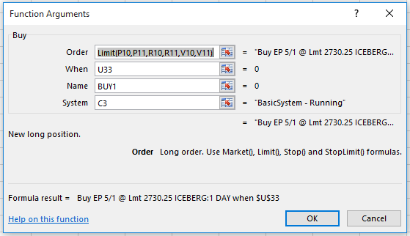

Order: | You can use the Limit Order or a cell reference.
When: | Select a cell for to execute the order (1 = execute) |  |  | The Limit Order parmaters are used within the Buy Order parameters
Name: | Name the order because you can exit the order by name. |  |  | =Buy(Limit(P10,P11,R10,R11,V10,V11),U33,BUY1,C3)
System: | Cell link to the name of the system, has to be running |  |  | #ERROR Limit() failed: Unknown execution instruction "1". |  |  |  |  |  | 0

 |  |  |  | You can use a cell reference for the Limit order parameters.

