LabelData
Symbol: | EP |  | Symbol: | CLE?
 |  |  | Long Description |  | Symbol |  | Long Symbol |  | Currency | Tick Size
Ask | 1922.50 | Crude Light (Globex): October 2015 |  |  | CLEV5 |  | F.US.CLEV5 |  | USD | 0.01
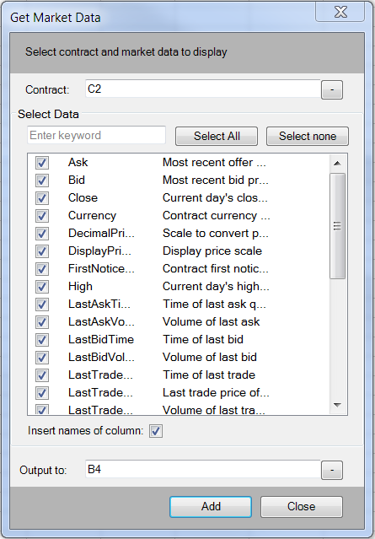
Bid | 1922.25 |  |  |  |  |  |  |  | Price Scale | Tick Value
Close | 1922.50 |  | Open | High | Low | Last | Y_ Close | Y_Settle | 0.01 | 10
Currency | USD |  | 46.68 | 47.23 | 45.76 | 46.28 | 46.69 | 46.75 | 2 | Last Trade Date
DecimalPriceScale | 0.25 |  |  |  |  |  |  |  |  | 2015-Sep-22
DisplayPriceScale | 2.00 |  | Bid Vol | Bid | Ask | Ask Vol | Last | Trade Vol |  | Today's Vol
FirstNoticeDate |  |  | 11 | 46.27 | 46.28 | 2 | 46.28 | 1 |  | 186,269
High | 1949.25
LastAskTime | 2015-Sep-04 14:59:19.004000 |  | Bid Time |  | Ask Time |  | Trade Time
LastAskVolume | 107 |  | 14:59:19.088000 |  | 14:59:19.088000 |  | 14:59:19.084000
LastBidTime | 2015-Sep-04 14:59:19.084000
LastBidVolume | 91
LastTradeTime | 2015-Sep-04 14:59:18.008000 |  | Launching the Label Data from the Toolkit opens this "Get Market Data" dialog.
LastTradeToday | 1922.5 |  | You can enter a symbol in the Contract window, such as "EP" or a cell reference: C2
LastTradeVolume | 1 |  | The choices are in alphabetical order. If you click "Select All" then Excel will populate
LastTradingDate | 2015-Sep-18 00:00:00 |  | with all of the data calls.
LongDescription | E-Mini S&P 500: September 2015
LongName | F.US.EPU5 |  | If you select "Insert names of columns" and, for example "Output to B4" then column B4
Low | 1910.50 |  | will be the first row displaying the name and C4 will have the formula.
Open | 1947.25 |  | If you wanted to use rows, then enter in the "Output to" B4:AD4
Settlement
SettlementDateTime |  |  | The formula in this case references the name in the cell in column B for the data label and
Symbol | EPU5 |  | cell C2 for the Symbol. The ask price formula in cell C4 is =CQGXLContractData(C2, B4).
T_CVol | 1027845
TickSize | 0.25 |  | Enter a cell reference with $ for the Contract and do not select "Insert names of column"
TickValue | 12.50 |  | then the data label is included in the formula: =CQGXLContractData($K$2, "Ask")
UnderlyingContractSymbol |  |  | This makes copying and pasting formulas easier.
Y_Close | 1946.75
Y_Settlement | 1946.00 |  | The screen capture images may blink due to the updating data.
 |  |  | Set the Formula/Calculation Option to Manuasl to read these pages.

 |  |  | Some data using this add-in will come in as an array. You cannot modify an array.
 |  |  | If you want a sind formula from an array, then select the cell and then the formula
 |  |  | in the formula bar and copy the individual formula.

DOM Data
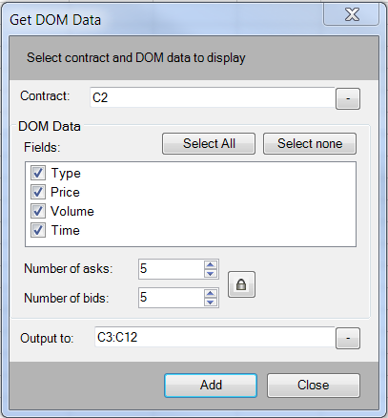
Symbol: | EP
Type | Price | Volume | Time
Ask | 1923.50 | 280 | 2015-Sep-04 14:57:46.172000
Ask | 1923.25 | 295 | 2015-Sep-04 14:57:44.928000
Ask | 1923.00 | 312 | 2015-Sep-04 14:58:59.896000
Ask | 1922.75 | 226 | 2015-Sep-04 14:59:00.328000
Ask | 1922.50 | 107 | 2015-Sep-04 14:59:06.684000
Bid | 1922.25 | 91 | 2015-Sep-04 14:59:17.204000
Bid | 1922.00 | 253 | 2015-Sep-04 14:59:14.512000
Bid | 1921.75 | 232 | 2015-Sep-04 14:58:35.852000
Bid | 1921.50 | 216 | 2015-Sep-04 14:58:28.632000
Bid | 1921.25 | 232 | 2015-Sep-04 14:58:10.244000

Here is an example of pulling in DOM Data

Account Data
AccountID | AccountName | LastStatementDate | AccountBrokerageID | AccountBrokerageName | SalesSeriesNumber | SalesSeriesName
16783077 | SIMThom Spreader | 2015-Sep-03 00:00:00 | 144 | Spreader | Spread1 | Chicago
16858700 | SIMthartleapi | 2015-Sep-03 00:00:00 | 2 | CQG Sim | testsim | Tim Gilroy

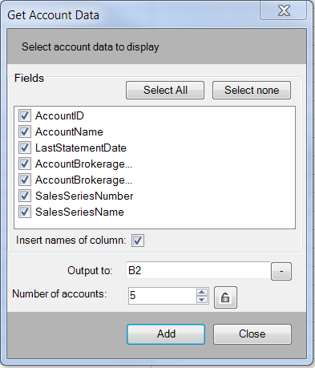
 |  | Nothing to fill in. This wiill get the Account ID for orders and positions. This data comes in as an array.

 |  |  | 2 | 16783077
 |  |  |  | 16858700

Account Summary
AccountID: | 16783077

 | PurchasingPower | TotalMargin | Currency
 | $378,423.91 | $0.00 | USD

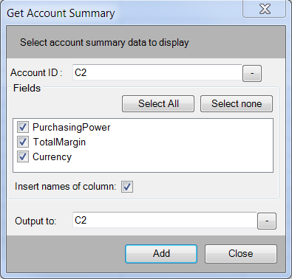
 |  |  |  | Cell C2 has the Account ID from the Account Data tab.

Buy Orders
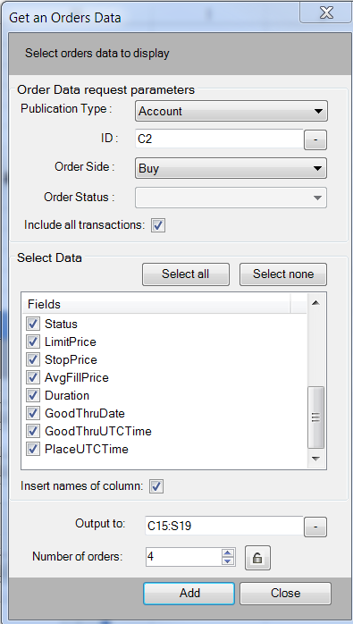
 |  |  |  |  | The orders will automatically populate. You do not need to select a range.
 | 16783077
Count | AccountName | FCMNumber | EnteredByUser | OriginalOrderID | OrderID | Side | Qty | FillQty | RmngQty | Instrument | Type | Status | LimitPrice | StopPrice | AvgFillPrice | Duration | GTD | GTT | PlaceTime | StatusTime
3 | SIMThom Spreader | PSspread300 | thomstage | 465688845 | CQG_465688845 | Buy |  | 0 |  | F.US.EPU5 |  | InTransit |  |  |  | Day |  |  | 2015-Sep-04 14:25:30 | 2015-Sep-04 14:25:30.590000
 | SIMThom Spreader | PSspread300 | thomstage | 465688845 | CQG_465688845 | Buy |  | 0 |  | F.US.EPU5 |  | AckPlace |  |  |  | Day |  |  | 2015-Sep-04 14:25:30 | 2015-Sep-04 14:25:30.623000
 | SIMThom Spreader | PSspread300 | thomstage | 465688845 | CQG_465688845 | Buy | 5 | 5 | 0 | F.US.EPU5 | MKT | Fill |  |  | 1924.5 | Day |  |  | 2015-Sep-04 14:25:30 | 2015-Sep-04 14:25:30.647000

Sell Orders
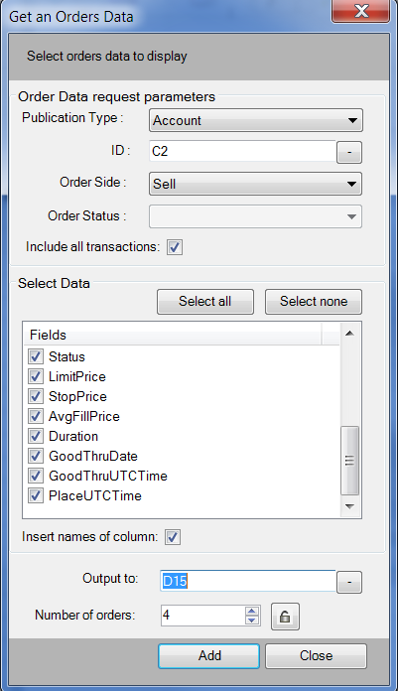
 | 16783077
Count | AccountName | FCMNumber | EnteredByUser | OriginalOrderID | OrderID | Side | Qty | FillQty | RmngQty | Instrument | Type | Status | LimitPrice | StopPrice | AvgFillPrice | Duration | GTD | GTT | PlaceTime | StatusTime
PublicationID shall be specified if OrderData is not requested for all authorized accounts. | PublicationID shall be specified if OrderData is not requested for all authorized accounts. | PublicationID shall be specified if OrderData is not requested for all authorized accounts. | PublicationID shall be specified if OrderData is not requested for all authorized accounts. | PublicationID shall be specified if OrderData is not requested for all authorized accounts. | PublicationID shall be specified if OrderData is not requested for all authorized accounts. | PublicationID shall be specified if OrderData is not requested for all authorized accounts. | PublicationID shall be specified if OrderData is not requested for all authorized accounts. | PublicationID shall be specified if OrderData is not requested for all authorized accounts. | PublicationID shall be specified if OrderData is not requested for all authorized accounts. | PublicationID shall be specified if OrderData is not requested for all authorized accounts. | PublicationID shall be specified if OrderData is not requested for all authorized accounts. | PublicationID shall be specified if OrderData is not requested for all authorized accounts. | PublicationID shall be specified if OrderData is not requested for all authorized accounts. | PublicationID shall be specified if OrderData is not requested for all authorized accounts. | PublicationID shall be specified if OrderData is not requested for all authorized accounts. | PublicationID shall be specified if OrderData is not requested for all authorized accounts. | PublicationID shall be specified if OrderData is not requested for all authorized accounts. | PublicationID shall be specified if OrderData is not requested for all authorized accounts. | PublicationID shall be specified if OrderData is not requested for all authorized accounts. | PublicationID shall be specified if OrderData is not requested for all authorized accounts.
 | PublicationID shall be specified if OrderData is not requested for all authorized accounts. | PublicationID shall be specified if OrderData is not requested for all authorized accounts. | PublicationID shall be specified if OrderData is not requested for all authorized accounts. | PublicationID shall be specified if OrderData is not requested for all authorized accounts. | PublicationID shall be specified if OrderData is not requested for all authorized accounts. | PublicationID shall be specified if OrderData is not requested for all authorized accounts. | PublicationID shall be specified if OrderData is not requested for all authorized accounts. | PublicationID shall be specified if OrderData is not requested for all authorized accounts. | PublicationID shall be specified if OrderData is not requested for all authorized accounts. | PublicationID shall be specified if OrderData is not requested for all authorized accounts. | PublicationID shall be specified if OrderData is not requested for all authorized accounts. | PublicationID shall be specified if OrderData is not requested for all authorized accounts. | PublicationID shall be specified if OrderData is not requested for all authorized accounts. | PublicationID shall be specified if OrderData is not requested for all authorized accounts. | PublicationID shall be specified if OrderData is not requested for all authorized accounts. | PublicationID shall be specified if OrderData is not requested for all authorized accounts. | PublicationID shall be specified if OrderData is not requested for all authorized accounts. | PublicationID shall be specified if OrderData is not requested for all authorized accounts. | PublicationID shall be specified if OrderData is not requested for all authorized accounts. | PublicationID shall be specified if OrderData is not requested for all authorized accounts.
 | PublicationID shall be specified if OrderData is not requested for all authorized accounts. | PublicationID shall be specified if OrderData is not requested for all authorized accounts. | PublicationID shall be specified if OrderData is not requested for all authorized accounts. | PublicationID shall be specified if OrderData is not requested for all authorized accounts. | PublicationID shall be specified if OrderData is not requested for all authorized accounts. | PublicationID shall be specified if OrderData is not requested for all authorized accounts. | PublicationID shall be specified if OrderData is not requested for all authorized accounts. | PublicationID shall be specified if OrderData is not requested for all authorized accounts. | PublicationID shall be specified if OrderData is not requested for all authorized accounts. | PublicationID shall be specified if OrderData is not requested for all authorized accounts. | PublicationID shall be specified if OrderData is not requested for all authorized accounts. | PublicationID shall be specified if OrderData is not requested for all authorized accounts. | PublicationID shall be specified if OrderData is not requested for all authorized accounts. | PublicationID shall be specified if OrderData is not requested for all authorized accounts. | PublicationID shall be specified if OrderData is not requested for all authorized accounts. | PublicationID shall be specified if OrderData is not requested for all authorized accounts. | PublicationID shall be specified if OrderData is not requested for all authorized accounts. | PublicationID shall be specified if OrderData is not requested for all authorized accounts. | PublicationID shall be specified if OrderData is not requested for all authorized accounts. | PublicationID shall be specified if OrderData is not requested for all authorized accounts.
 | PublicationID shall be specified if OrderData is not requested for all authorized accounts. | PublicationID shall be specified if OrderData is not requested for all authorized accounts. | PublicationID shall be specified if OrderData is not requested for all authorized accounts. | PublicationID shall be specified if OrderData is not requested for all authorized accounts. | PublicationID shall be specified if OrderData is not requested for all authorized accounts. | PublicationID shall be specified if OrderData is not requested for all authorized accounts. | PublicationID shall be specified if OrderData is not requested for all authorized accounts. | PublicationID shall be specified if OrderData is not requested for all authorized accounts. | PublicationID shall be specified if OrderData is not requested for all authorized accounts. | PublicationID shall be specified if OrderData is not requested for all authorized accounts. | PublicationID shall be specified if OrderData is not requested for all authorized accounts. | PublicationID shall be specified if OrderData is not requested for all authorized accounts. | PublicationID shall be specified if OrderData is not requested for all authorized accounts. | PublicationID shall be specified if OrderData is not requested for all authorized accounts. | PublicationID shall be specified if OrderData is not requested for all authorized accounts. | PublicationID shall be specified if OrderData is not requested for all authorized accounts. | PublicationID shall be specified if OrderData is not requested for all authorized accounts. | PublicationID shall be specified if OrderData is not requested for all authorized accounts. | PublicationID shall be specified if OrderData is not requested for all authorized accounts. | PublicationID shall be specified if OrderData is not requested for all authorized accounts.
 | PublicationID shall be specified if OrderData is not requested for all authorized accounts. | PublicationID shall be specified if OrderData is not requested for all authorized accounts. | PublicationID shall be specified if OrderData is not requested for all authorized accounts. | PublicationID shall be specified if OrderData is not requested for all authorized accounts. | PublicationID shall be specified if OrderData is not requested for all authorized accounts. | PublicationID shall be specified if OrderData is not requested for all authorized accounts. | PublicationID shall be specified if OrderData is not requested for all authorized accounts. | PublicationID shall be specified if OrderData is not requested for all authorized accounts. | PublicationID shall be specified if OrderData is not requested for all authorized accounts. | PublicationID shall be specified if OrderData is not requested for all authorized accounts. | PublicationID shall be specified if OrderData is not requested for all authorized accounts. | PublicationID shall be specified if OrderData is not requested for all authorized accounts. | PublicationID shall be specified if OrderData is not requested for all authorized accounts. | PublicationID shall be specified if OrderData is not requested for all authorized accounts. | PublicationID shall be specified if OrderData is not requested for all authorized accounts. | PublicationID shall be specified if OrderData is not requested for all authorized accounts. | PublicationID shall be specified if OrderData is not requested for all authorized accounts. | PublicationID shall be specified if OrderData is not requested for all authorized accounts. | PublicationID shall be specified if OrderData is not requested for all authorized accounts. | PublicationID shall be specified if OrderData is not requested for all authorized accounts.

Positions Data
AccountID | 16783077 |  |  |  |  | Account ID is in cell D2
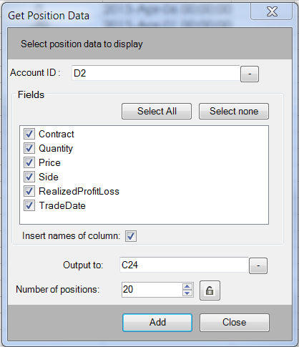
Contract | Quantity | Price | Side | RealizedProfitLoss | TradeDate

