Display
 |  |  |  | CQG Markets Ranked Dashboard |  |  |  |  |  |  |  |  |  |  |  |  |  |  |  |  |  |  |  |  |  | 2017-03-14 09:13:21

E-mini Dow ($5), Jun 17 |  |  | E-Mini S&P 500, Jun 17 |  |  | E-mini NASDAQ-100, Jun 17 |  |  | E-mini MidCap 400, Jun 17 |  |  | Russell 2000 Index Mini, Jun 17 |  |  | DAX Index, Mar 17 |  |  | Euro STOXX 50, Mar 17 |  |  | FTSE 100 - Stnd Index, Mar 17 |  |  | CAC40, Mar 17 |  |  | Nikkei 225 (Globex), Jun 17
20792 |  |  | 2359.75 |  |  | 5376.75 |  |  | 1699.10 |  |  | 1354.50 |  |  | 11978 |  |  | 3397.00 |  |  | 7340.50 |  |  | 4968.00 |  |  | 19495
H: | 20840 | -51 | H: | 2371.50 | -12.00 | H: | 5400.50 | -22.50 | H: | 1713.90 | -14.80 | H: | 1369.20 | -14.90 | H: | 12012 | -19 | H: | 3425.00 | -21.00 | H: | 7381.00 | -27.00 | H: | 5014.00 | -43.00 | H: | 19665 | -115
L: | 20768 | -0.24% | L: | 2359.25 | -0.52% | L: | 5374.50 | -0.42% | L: | 1697.50 | -0.85% | L: | 1352.60 | -1.10% | L: | 11928 | -0.16% | L: | 3392.00 | -0.61% | L: | 7332.00 | -0.37% | L: | 4964.00 | -0.86% | L: | 19495 | -0.56%
Euro Buxl (30yr), Jun 17 | 0.74% | 0.00%
Euro/British Pound (Globex), Jun 17 | 0.48% | 0.00%
Dollar Index (ICE), Jun 17 | 0.27% | 0.00%
Euro Bund (10yr), Jun 17 | 0.23% | 0.00%
30yr US Treasury Bonds (Globex), Jun 17 | 0.19% | 0.00%
Gold (Globex), Apr 17 | 0.16% | 0.00%
Long Gilt (CONNECT), Jun 17 | 0.11% | 0.00%
Euro BOBL (5yr), Jun 17 | 0.09% | 0.00%
Silver (Globex), May 17 | 0.08% | 0.00%
10yr US Treasury Notes (Globex), Jun 17 | 0.08% | 0.00%
Japanese Yen (Globex), Jun 17 | 0.05% | 0.00%
5 Year US Treasury Notes (Globex), Jun 17 | 0.04% | 0.00%
Platinum (Globex), Apr 17 | 0.00% | 0.00%
New Zealand Dollar (Globex), Jun 17 | 0.13% | 0.13%
Swiss Franc (Globex), Jun 17 | 0.16% | 0.16%
DAX Index, Mar 17 | 0.16% | 0.16%
E-mini Dow ($5), Jun 17 | 0.24% | 0.24%
Euro FX (Globex), Jun 17 | 0.29% | 0.29%
Australian Dollar (Globex), Jun 17 | 0.32% | 0.32%
Canadian Dollar (Globex), Jun 17 | 0.33% | 0.33%
Mexican Peso (Globex), Jun 17 | 0.34% | 0.34%
FTSE 100 - Stnd Index, Mar 17 | 0.37% | 0.37%
E-mini NASDAQ-100, Jun 17 | 0.42% | 0.42%
RBOB Gasoline (Globex), Apr 17 | 0.49% | 0.49%
E-Mini S&P 500, Jun 17 | 0.52% | 0.52%
Nikkei 225 (Globex), Jun 17 | 0.56% | 0.56%
Euro STOXX 50, Mar 17 | 0.61% | 0.61%
British Pound (Globex), Jun 17 | 0.70% | 0.70%
E-mini MidCap 400, Jun 17 | 0.85% | 0.85%
CAC40, Mar 17 | 0.86% | 0.86%
NY Harbor ULSD, Apr 17 | 1.03% | 1.03%
Russell 2000 Index Mini, Jun 17 | 1.10% | 1.10%
Crude Light (Globex), Apr 17 | 2.02% | 2.02%
Natural Gas (Globex), Apr 17 | 2.46% | 2.46%
Gold (Globex), Apr 17 |  |  |  |  |  |  |  |  |  |  |  |  |  |  |  |  |  |  |  |  |  |  |  |  |  |  | 5 Year US Treasury Notes (Globex), Jun 17 |  |  | 0
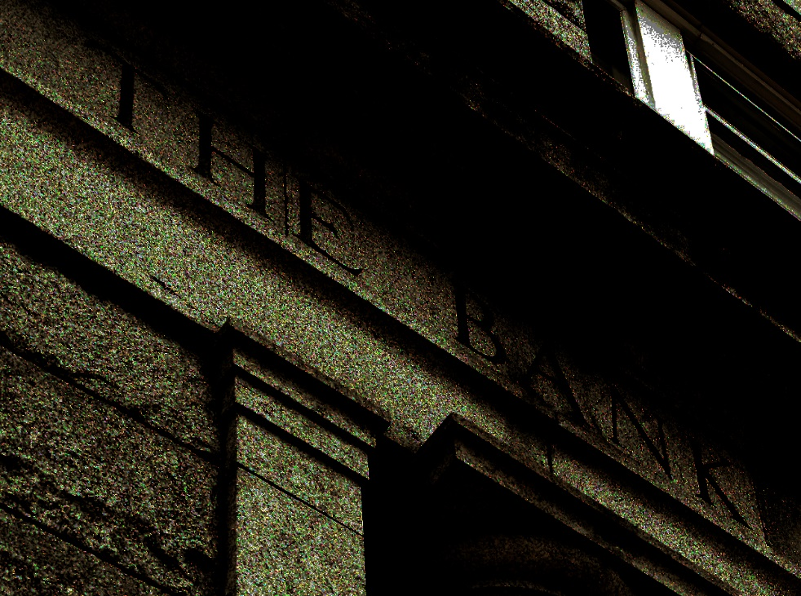
1205.00 |  |  |  |  |  |  |  |  |  |  |  |  | One Day Relative Percent Change Comparisons |  |  |  |  |  |  |  |  |  |  |  |  |  | 116'20.25
YMM7 | -0.03% | -0.01% | -0.36% | -0.24%
EPM7 | -0.04% | -0.01% | -0.53% | -0.51%
ENQM7 | 0.00% | 0.02% | -0.46% | -0.42%
EMDM7 | 0.00% | 0.00% | -0.96% | -0.86%
TFEM7 | -0.07% | -0.01% | -1.23% | -1.09%
DDH7 | 0.13% | 0.13% | -0.58% | -0.16%
DSXH7 | 0.15% | 0.20% | -0.76% | -0.61%
QFAH7 | -0.04% | 0.18% | -0.48% | -0.37%
PILH7 | 0.05% | 0.06% | -0.94% | -0.86%
NKDM7 | 0.05% | 0.28% | -0.59% | -0.59%

FVAM7 | -0.05% | 0.05% | -0.07% | 0.04%
TYAM7 | -0.10% | 0.10% | -0.13% | 0.08%
USAM7 | -0.28% | 0.21% | -0.38% | 0.19%
DLM7 | -0.05% | 0.11% | -0.13% | 0.09%
DBM7 | -0.10% | 0.24% | -0.29% | 0.23%
FGBXM7 | -0.54% | 0.74% | -0.80% | 0.76%
QGAM7 | -0.09% | 0.14% | -0.21% | 0.12%
H: | 1206.80 | 1.90 |  |  |  |  |  |  |  |  |  |  |  |  |  |  |  |  |  |  |  |  |  |  |  |  | H: | 116'20.50 | +0'01.50
L: | 1200.10 | 0.16% |  |  |  |  |  |  |  |  |  |  |  |  |  |  |  |  |  |  |  |  |  |  |  |  | L: | 116'16.25 | 0.04%
Silver (Globex), May 17 |  |  |  |  |  |  |  |  |  |  |  |  |  |  |  |  |  |  |  |  |  |  |  |  |  |  | 10yr US Treasury Notes (Globex), Jun 17
16.985 |  |  |  |  |  |  |  |  |  |  |  |  |  |  |  |  |  |  |  |  |  |  |  |  |  |  | 122'28.5
H: | 17.065 | .013 |  |  |  |  |  |  |  |  |  |  |  |  |  |  |  |  |  |  |  |  |  |  |  |  | H: | 122'29.5 | +0'03.0
L: | 16.895 | 0.08% |  |  |  |  |  |  |  |  |  |  |  |  |  |  |  |  |  |  |  |  |  |  |  |  | L: | 122'20.5 | 0.08%
Platinum (Globex), Apr 17 |  |  |  |  |  |  |  |  |  |  |  |  |  |  |  |  |  |  |  |  |  |  |  |  |  |  | 30yr US Treasury Bonds (Globex), Jun 17
941.30 |  |  |  |  |  |  |  |  |  |  |  |  |  |  |  |  |  |  |  |  |  |  |  |  |  |  | 146'21.0
H: | 945.20 | .10 |  |  |  |  |  |  |  |  |  |  |  |  |  |  |  |  |  |  |  |  |  |  |  |  | H: | 146'22.0 | +0'09.0
L: | 936.70 | 0.00% |  |  |  |  |  |  |  |  |  |  |  |  |  |  |  |  |  |  |  |  |  |  |  |  | L: | 145'26.0 | 0.19%
Crude Light (Globex), Apr 17 |  |  |  |  |  |  |  |  |  |  |  |  |  |  |  |  |  |  |  |  |  |  |  |  |  |  | Euro BOBL (5yr), Jun 17
47.42 |  |  |  |  |  |  |  |  |  |  |  |  |  |  |  |  |  |  |  |  |  |  |  |  |  |  | 131.34
H: | 48.79 | -.98 |  |  |  |  |  |  |  |  |  |  | One Day Relative Percent Change Comparisons |  |  |  |  |  |  |  |  |  |  |  |  |  | H: | 131.36 | .12 | 0

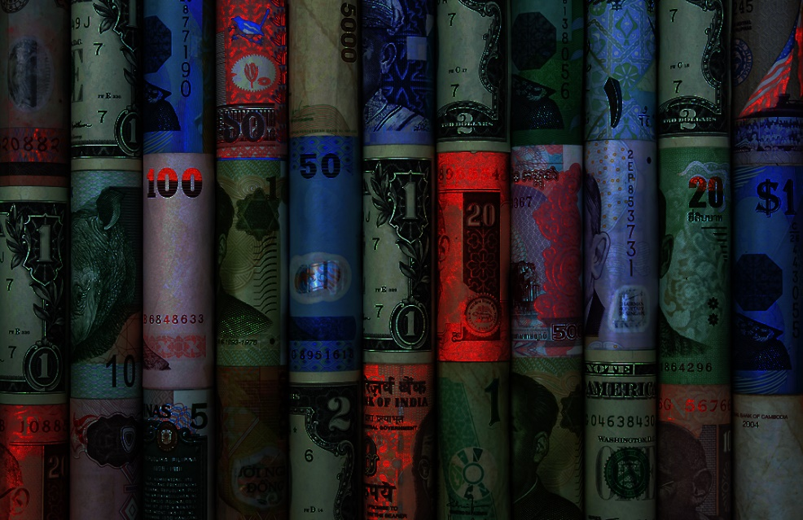
L: | 47.28 | -2.02% |  |  |  |  |  |  |  |  |  |  |  |  |  |  |  |  |  |  |  |  |  |  |  |  | L: | 131.05 | 0.09%
GCEJ7 | 0.03% | 0.31% | -0.25% | 0.16%
SIEK7 | 0.08% | 0.55% | -0.45% | 0.08%
PLEJ7 | -0.07% | 0.42% | -0.48% | 0.01%
CLEJ7 | 0.10% | 0.81% | -2.31% | -2.02%
HOEJ7 | -0.03% | 0.56% | -1.41% | -1.04%
RBEJ7 | -0.03% | 0.75% | -1.16% | -0.49%
NGEJ7 | -0.82% | 0.66% | -2.79% | -2.46%
DXEM7 | 0.09% | 0.34% | 0.02% | 0.27%
EU6M7 | -0.07% | 0.02% | -0.31% | -0.29%
JY6M7 | -0.10% | 0.08% | -0.38% | 0.05%
BP6M7 | -0.09% | -0.08% | -1.00% | -0.70%
CA6M7 | -0.04% | 0.01% | -0.39% | -0.32%
SF6M7 | 0.01% | 0.01% | -0.30% | -0.16%
DA6M7 | -0.11% | -0.08% | -0.53% | -0.32%
NE6M7 | 0.01% | 0.06% | -0.46% | -0.13%
MX6M7 | -0.14% | 0.06% | -0.54% | -0.36%
EBM7 | 0.05% | 0.81% | 0.05% | 0.41%
NY Harbor ULSD, Apr 17 |  |  |  |  |  |  |  |  |  |  |  |  |  |  |  |  |  |  |  |  |  |  |  |  |  |  | Euro Bund (10yr), Jun 17
1.4850 |  |  |  |  |  |  |  |  |  |  |  |  |  |  |  |  |  |  |  |  |  |  |  |  |  |  | 159.56
H: | 1.5090 | -.0156 |  |  |  |  |  |  |  |  |  |  |  |  |  |  |  |  |  |  |  |  |  |  |  |  | H: | 159.57 | .37
L: | 1.4795 | -1.03% |  |  |  |  |  |  |  |  |  |  |  |  |  |  |  |  |  |  |  |  |  |  |  |  | L: | 158.73 | 0.23%
RBOB Gasoline (Globex), Apr 17 |  |  |  |  |  |  |  |  |  |  |  |  |  |  |  |  |  |  |  |  |  |  |  |  |  |  | Euro Buxl (30yr), Jun 17
1.573 |  |  |  |  |  |  |  |  |  |  |  |  |  |  |  |  |  |  |  |  |  |  |  |  |  |  | 165.36
H: | 1.593 | -.008 |  |  |  |  |  |  |  |  |  |  |  |  |  |  |  |  |  |  |  |  |  |  |  |  | H: | 165.34 | 1.24
L: | 1.562 | -0.49% |  |  |  |  |  |  |  |  |  |  |  |  |  |  |  |  |  |  |  |  |  |  |  |  | L: | 162.80 | 0.74%
Natural Gas (Globex), Apr 17 |  |  |  |  |  |  |  |  |  |  |  |  |  |  |  |  |  |  |  |  |  |  |  |  |  |  | Long Gilt (CONNECT), Jun 17
2.968 |  |  |  |  |  |  |  |  |  |  |  |  |  |  |  |  |  |  |  |  |  |  |  |  |  |  | 126.16
H: | 3.063 | -.075 |  |  |  |  |  |  |  |  |  |  |  |  |  |  |  |  |  |  |  |  |  |  |  |  | H: | 126.19 | .15
L: | 2.958 | -2.46% |  |  |  |  |  |  |  |  |  |  |  |  |  |  |  |  |  |  |  |  |  |  |  |  | L: | 125.75 | 0.11%
Dollar Index (ICE), Jun 17 |  |  | Euro FX (Globex), Jun 17 |  |  | Japanese Yen (Globex), Jun 17 |  |  | British Pound (Globex), Jun 17 |  |  | Canadian Dollar (Globex), Jun 17 |  |  | Swiss Franc (Globex), Jun 17 |  |  | Australian Dollar (Globex), Jun 17 |  |  | New Zealand Dollar (Globex), Jun 17 |  |  | Mexican Peso (Globex), Jun 17 |  |  | Euro/British Pound (Globex), Jun 17
101.465 |  |  | 1.06775 |  |  | .0087550 |  |  | 1.2175 |  |  | .7426 |  |  | .9971 |  |  | .7542 |  |  | .6899 |  |  | .050170 |  |  | .87695
H: | 101.540 | .270 | H: | 1.07110 | -.00310 | H: | .0087575 | .0000045 | H: | 1.2251 | -.0086 | H: | .7451 | -.0024 | H: | .9988 | -.0016 | H: | .7560 | -.0024 | H: | .6912 | -.0009 | H: | .050380 | -.000180 | H: | .88045 | .00355
L: | 101.215 | 0.27% | L: | 1.06755 | -0.29% | L: | .0087175 | 0.05% | L: | 1.2138 | -0.70% | L: | .7421 | -0.33% | L: | .9957 | -0.16% | L: | .7526 | -0.32% | L: | .6876 | -0.13% | L: | .050080 | -0.34% | L: | .87380 | 0.48% | 0
Copyright © 2017 |  |  |  | Designed by Thom Hartle |  |  |  |  | Current Time: |  | 2017-03-14 08:13:19 |  |  |  |  |  |  |  |  |  |  |  |  |  |  |  |  |  |  | 0

