Instructions
On the Main Display tab:
In the Date Setup, enter in an initial start and closing dates. Excel will do the rest
Enter in the first cell in the Symbols column the symbol. Excel will populate the column.
Always use uppercase letters for symbols, i.e., TYAZ14.
For Futures be sure to enter in a contract that expires after the Date Setup end date.
For Futures, include the two digit year in the symbol, i.e., EPZ14.
For Futures, enter in DDC in Continuation Settings to see the start and closing price for each contract.
For Stocks, enter the symbol with an S. prefix, i.e., S.MSFT.
Enter the number of Decimals to be used, i.e., for EPZ14 enter 2
For Treasuries, change Treasuries: to Y and use 6 decimals places.

Expand the chart settings as seen below. This is found under
the Setup Tool button then select System Preferences.

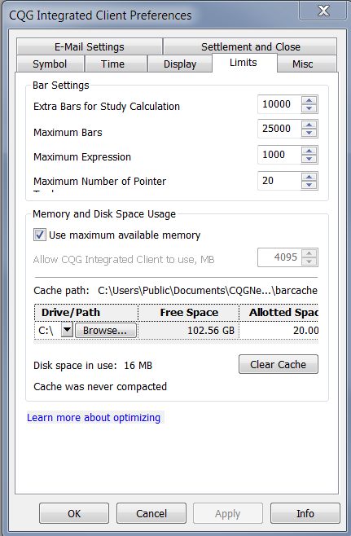
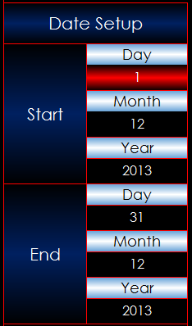

 |  | Interpreting Treasury price differences
 |  | This example is how to interpret the prices
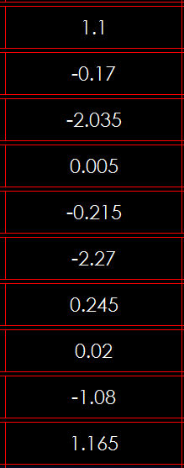
 |  |  | 1.1 | 1 and 10/32nds

 |  |  |  | -17/32nds
 |  |  | -0.17
 |  |  |  | -2 and 3.5/32nds
 | Any days colored red are either a holiday or a weekend.
 | If it is a start date then CQG moves forward by days to find a closing price. |  | -2.035 | 0.5/32nds
 | If it is an end date then CQG moves forward by days to find a closing price.
 |  |  |  | -21.5/32nds
 |  |  | 0.005
 |  |  |  | -2 and 27/32nds

 |  |  | -0.215 | 24.5/32nds

 |  |  |  | 2/32nds
 |  |  | -2.27
 |  |  |  | -1 and 8/32nds

 |  |  | 0.245 | 1 and 16.5/32nds

 |  |  | 0.02

 |  |  | -1.08

 |  |  | 1.165

