Main
GBP/USD |  |  |  |  |  | CQG FX Quote and Correlation Matrix |  |  |  |  |  |  |  |  |  |  |  |  |  |  |  |  | USD/CAD
Yesterday | Open | High | Low | Close |  | Description |  | Daily |  |  |  | 3-Bar | Symbol | DRGBPUSD | DREURUSD | DRUSDJPY | DRUSDCAD | DRAUDUSD | DREURGBP | DREURAUD | DREURCHF | DREURJPY | Yesterday | Open | High | Low | Close
 | 1.63880 | 1.64138 | 1.63271 | 1.63405 |  |  |  | Last | Net | % NC |  | Correlation |  |  |  |  |  |  |  |  |  |  |  | 1.10780 | 1.11225 | 1.10532 | 1.10584 |  |  | 3.00 | 2.00 | 1.00
Bid |  |  | Ask |  |  | GBP/USD |  | 163309 | -96 | -0.06% | -0.06% | -0.97 | DRGBPUSD |  | 0.65 | -0.72 | -0.82 | -0.31 | -0.69 | 0.89 | -0.85 | -0.75 | Bid |  |  | Ask |  |  | -0.97 | 1.63 | 1.63 | 1.63
50 | 1.63303 |  | 1.63309 |  | 100 | EUR/USD |  | 127480 | -322 | -0.25% | -0.25% | 0.95 | DREURUSD | 0.58 |  | -0.96 | -0.85 | 0.43 | 0.10 | 0.57 | -0.82 | -0.87 | 100 | 1.10970 |  | 1.10974 |  | 100 | 0.95 | 1.27 | 1.27 | 1.27
 |  |  |  |  |  | USD/JPY |  | 108692 | -356 | -0.33% | -0.33% | -1.00 | DRUSDJPY | -0.72 | -0.96 |  | 0.92 | -0.29 | 0.03 | -0.66 | 0.92 | 0.97 |  |  |  |  |  |  | -1.00 | 108.69 | 108.80 | 108.93
Symbol | Open | High | Low | LastPrice |  | USD/CAD |  | 110974 | 390 | 0.35% | 0.35% | 0.19 | DRUSDCAD | -0.82 | -0.85 | 0.92 |  | -0.09 | 0.28 | -0.71 | 0.93 | 0.94 | Symbol | Open | High | Low | LastPrice |  | 0.19 | 1.11 | 1.11 | 1.11
DRGBPUSD | Time of: | 16:02:00 | 2:16:00 | 1.63309 |  | AUD/USD |  | 88160 | -693 | -0.78% | -0.78% | 0.99 | DRAUDUSD | -0.31 | 0.43 | -0.29 | -0.09 |  | 0.78 | -0.49 | 0.01 | -0.15 | DRUSDCAD | Time of: | 7:30:00 | 16:02:00 | 1.10974 |  | 0.99 | 0.88 | 0.88 | 0.88 |  |  |  | NC |  | High | Low | Last | Open | NC | High | Low | Last | Open | NC
 | 1.63384 | 1.63437 | 1.62759 |  |  | EUR/GBP |  | 78062 | -157 | -0.20% | -0.20% | 0.99 | DREURGBP | -0.69 | 0.10 | 0.03 | 0.28 | 0.78 |  | -0.59 | 0.33 | 0.15 |  | 1.10569 | 1.11279 | 1.10555 |  |  | 0.99 | 0.78 | 0.78 | 0.78 |  |  |  | -0.00096 |  | 1.63437 | 1.62759 | 1.63309 | 1.63384 | 0.00390 | 1.11279 | 1.10555 | 1.10974 | 1.10569 | 0.00390
 |  |  |  |  |  | EUR/AUD |  | 144607 | 759 | 0.53% | 0.53% | -0.57 | DREURAUD | 0.89 | 0.57 | -0.66 | -0.71 | -0.49 | -0.59 |  | -0.79 | -0.69 |  |  |  |  |  |  | -0.57 | 1.45 | 1.45 | 1.45
Decimals: | 5 | HiLoAlert | 0.00100 | -.00096 |  | EUR/CHF |  | 120701 | -155 | -0.13% | -0.13% | -0.35 | DREURCHF | -0.85 | -0.82 | 0.92 | 0.93 | 0.01 | 0.33 | -0.79 |  | 0.96 | Decimals: | 5 | HiLoAlert | 0.00025 | +.00390 |  | -0.35 | 1.21 | 1.21 | 1.21
PX Alert: | 1.63851 |  |  |  |  | EUR/JPY |  | 138560 | -803 | -0.58% | -0.58% | -0.98 | DREURJPY | -0.75 | -0.87 | 0.97 | 0.94 | -0.15 | 0.15 | -0.69 | 0.96 |  | PX Alert: | 1.08939 |  |  |  |  | -0.98 | 138.5600 | 138.6590 | 138.7020
5-Minute Close Daily Percent Change
 | DRGBPUSD | DREURUSD | DRUSDJPY | DRUSDCAD | DRAUDUSD | DREURGBP | DREURAUD | DREURCHF | DREURJPY
7:00 | -0.30% | -0.53% | 0.18% | 0.55% | -0.87% | -0.23% | 0.34% | -0.06% | -0.34%
7:05 | -0.32% | -0.53% | 0.19% | 0.56% | -0.87% | -0.22% | 0.33% | -0.08% | -0.35%
7:10 | -0.34% | -0.52% | 0.19% | 0.59% | -0.95% | -0.18% | 0.43% | -0.08% | -0.33%
7:15 | -0.36% | -0.52% | 0.18% | 0.59% | -0.91% | -0.16% | 0.39% | -0.08% | -0.34%
7:20 | -0.32% | -0.47% | 0.18% | 0.56% | -0.90% | -0.13% | 0.44% | -0.06% | -0.28%
7:25 | -0.27% | -0.45% | 0.18% | 0.47% | -0.80% | -0.18% | 0.36% | -0.08% | -0.27%
7:30 | -0.24% | -0.44% | 0.15% | 0.49% | -0.84% | -0.20% | 0.40% | -0.08% | -0.29%
7:35 | -0.08% | -0.41% | 0.12% | 0.56% | -0.87% | -0.33% | 0.46% | -0.09% | -0.29%
7:40 | -0.06% | -0.43% | 0.12% | 0.48% | -0.86% | -0.37% | 0.44% | -0.09% | -0.31%
7:45 | -0.09% | -0.42% | 0.12% | 0.50% | -0.87% | -0.34% | 0.45% | -0.09% | -0.31%
7:50 | -0.07% | -0.41% | 0.09% | 0.50% | -0.89% | -0.34% | 0.49% | -0.09% | -0.31%
7:55 | -0.04% | -0.43% | 0.10% | 0.44% | -0.88% | -0.39% | 0.45% | -0.08% | -0.32%
8:00 | -0.03% | -0.43% | 0.14% | 0.46% | -0.94% | -0.41% | 0.50% | -0.09% | -0.29%
8:05 | 0.00% | -0.45% | 0.15% | 0.44% | -0.94% | -0.45% | 0.48% | -0.09% | -0.30%
8:10 | -0.06% | -0.49% | 0.15% | 0.47% | -1.02% | -0.43% | 0.53% | -0.09% | -0.34%
8:15 | -0.09% | -0.50% | 0.18% | 0.46% | -1.04% | -0.42% | 0.54% | -0.09% | -0.32%
8:20 | -0.07% | -0.51% | 0.18% | 0.46% | -1.07% | -0.44% | 0.57% | -0.09% | -0.34%
8:25 | -0.14% | -0.50% | 0.15% | 0.43% | -1.05% | -0.36% | 0.56% | -0.09% | -0.34%
8:30 | -0.13% | -0.51% | 0.15% | 0.44% | -1.05% | -0.38% | 0.55% | -0.09% | -0.35%
8:35 | -0.12% | -0.53% | 0.11% | 0.43% | -1.04% | -0.42% | 0.51% | -0.08% | -0.42%
8:40 | 0.00% | -0.39% | -0.08% | 0.27% | -0.88% | -0.40% | 0.49% | -0.10% | -0.47%
8:45 | 0.01% | -0.35% | -0.15% | 0.31% | -0.88% | -0.36% | 0.53% | -0.11% | -0.49%
8:50 | -0.02% | -0.37% | -0.11% | 0.35% | -0.91% | -0.36% | 0.55% | -0.12% | -0.47%
8:55 | -0.03% | -0.36% | -0.12% | 0.33% | -0.90% | -0.34% | 0.54% | -0.13% | -0.48%
9:00 | -0.01% | -0.35% | -0.12% | 0.34% | -0.88% | -0.35% | 0.53% | -0.13% | -0.46%
9:05 | -0.01% | -0.28% | -0.16% | 0.30% | -0.84% | -0.28% | 0.56% | -0.12% | -0.44%
9:10 | -0.05% | -0.34% | -0.19% | 0.31% | -0.82% | -0.29% | 0.49% | -0.13% | -0.52%
9:15 | -0.03% | -0.25% | -0.29% | 0.29% | -0.77% | -0.23% | 0.52% | -0.13% | -0.54%
9:20 | -0.03% | -0.28% | -0.23% | 0.32% | -0.84% | -0.26% | 0.56% | -0.12% | -0.51%
9:25 | -0.06% | -0.25% | -0.27% | 0.33% | -0.83% | -0.20% | 0.58% | -0.12% | -0.52%
9:30 | -0.07% | -0.26% | -0.24% | 0.34% | -0.81% | -0.20% | 0.55% | -0.12% | -0.51%
9:35 | -0.06% | -0.25% | -0.33% | 0.35% | -0.78% | -0.20% | 0.53% | -0.13% | -0.58%
9:40 | #N/A | #N/A | #N/A | #N/A | #N/A | #N/A | #N/A | #N/A | #N/A
9:45 | #N/A | #N/A | #N/A | #N/A | #N/A | #N/A | #N/A | #N/A | #N/A
9:50 | #N/A | #N/A | #N/A | #N/A | #N/A | #N/A | #N/A | #N/A | #N/A
9:55 | #N/A | #N/A | #N/A | #N/A | #N/A | #N/A | #N/A | #N/A | #N/A
10:00 | #N/A | #N/A | #N/A | #N/A | #N/A | #N/A | #N/A | #N/A | #N/A
10:05 | #N/A | #N/A | #N/A | #N/A | #N/A | #N/A | #N/A | #N/A | #N/A
10:10 | #N/A | #N/A | #N/A | #N/A | #N/A | #N/A | #N/A | #N/A | #N/A
10:15 | #N/A | #N/A | #N/A | #N/A | #N/A | #N/A | #N/A | #N/A | #N/A
10:20 | #N/A | #N/A | #N/A | #N/A | #N/A | #N/A | #N/A | #N/A | #N/A
10:25 | #N/A | #N/A | #N/A | #N/A | #N/A | #N/A | #N/A | #N/A | #N/A
10:30 | #N/A | #N/A | #N/A | #N/A | #N/A | #N/A | #N/A | #N/A | #N/A
10:35 | #N/A | #N/A | #N/A | #N/A | #N/A | #N/A | #N/A | #N/A | #N/A
10:40 | #N/A | #N/A | #N/A | #N/A | #N/A | #N/A | #N/A | #N/A | #N/A
10:45 | #N/A | #N/A | #N/A | #N/A | #N/A | #N/A | #N/A | #N/A | #N/A
10:50 | #N/A | #N/A | #N/A | #N/A | #N/A | #N/A | #N/A | #N/A | #N/A
10:55 | #N/A | #N/A | #N/A | #N/A | #N/A | #N/A | #N/A | #N/A | #N/A
11:00 | #N/A | #N/A | #N/A | #N/A | #N/A | #N/A | #N/A | #N/A | #N/A
11:05 | #N/A | #N/A | #N/A | #N/A | #N/A | #N/A | #N/A | #N/A | #N/A
...
EUR/USD |  |  |  |  |  | Correlation Bars Back: |  | 10 | Period: | 30 |  |  |  |  |  |  |  |  |  |  |  |  | EUR/GBP

Yesterday | Open | High | Low | Close |  |  |  |  |  |  |  |  |  |  |  |  |  |  |  |  |  |  | Yesterday | Open | High | Low | Close
 | 1.28461 | 1.28641 | 1.27741 | 1.27802 |  | -0.03% |  |  |  |  |  |  |  |  |  |  |  |  |  |  |  |  |  | .78380 | .78514 | .78124 | .78219
Bid |  |  | Ask |  |  | 0.03% |  |  |  |  |  |  |  |  |  |  |  |  |  |  |  |  | Bid |  |  | Ask
50 | 1.27476 |  | 1.27480 |  | 500 | -0.10% |  |  |  |  |  |  |  |  |  |  |  |  |  |  |  |  | 100 | .78058 |  | .78062 |  | 50
 |  |  |  |  |  | 0.04%
Symbol | Open | High | Low | LastPrice |  | 0.06% |  |  |  |  |  |  |  |  |  |  |  |  |  |  |  |  | Symbol | Open | High | Low | LastPrice
DREURUSD | Time of: | 20:57:00 | 3:05:00 | 1.27480 |  | 0.06% |  |  |  |  |  |  |  |  |  |  |  |  |  |  |  |  | DREURGBP | Time of: | 18:11:00 | 8:14:00 | .78062 |  |  |  |  |  |  |  |  | NC |  | High | Low | Last | Open |  | High | Low | Last | Open | NC
 | 1.27800 | 1.27836 | 1.26964 |  |  | -0.03% |  |  |  |  |  |  |  |  |  |  |  |  |  |  |  |  |  | .78193 | .78307 | .77851 |  |  |  |  |  |  |  |  |  | -0.00322 |  | 1.27836 | 1.26964 | 1.27480 | 1.278 |  | 0.78307 | 0.77851 | 0.78062 | 0.78193 | -0.00157
 |  |  |  |  |  | -0.01%
Decimals: | 5 | HiLoAlert | 0.00100 | -.00322 |  | -0.07% |  |  |  |  |  |  |  |  |  |  |  |  |  |  |  |  | Decimals: | 5 | HiLoAlert | 0.00050 | -.00157
PX Alert: | 1.36858 |  |  |  |  |  |  |  |  |  |  |  |  |  |  |  |  |  |  |  |  |  | PX Alert: | 0.80974
USD/JPY |  |  |  |  |  | CQG FX Relative Change |  |  |  |  |  |  |  |  |  |  |  |  |  |  |  |  | GBP/JPY

Yesterday | Open | High | Low | Close |  | D | Symbols |  |  |  | Today's Average True Range & Five-Day Average True Range |  |  |  |  |  | Symbols |  |  |  |  |  | Yesterday | Open | High | Low | Close
 | 108.882 | 109.155 | 108.459 | 109.048 |  | DRGBPUSD | DREURUSD | DRUSDCAD | DRAUDUSD | DREURGBP | DRGBPUSD | 0.00678 | 0.01504 | DRNZDUSD | 0.01534 | 0.00920 | DRGBPUSD | DREURUSD | DRUSDJPY | DRUSDCAD | DRAUDUSD | DREURGBP |  | 178.439 | 178.510 | 177.635 | 178.184
Bid |  |  | Ask |  |  | DREURAUD | DREURCHF | DRUSDCAD | DREURJPY | DRGBPJPY |  |  |  |  |  |  | DREURAUD | DREURCHF | DREURJPY | DRGBPJPY | DRAUDCAD | DREURCAD | Bid |  |  | Ask
Low Last High
100 | 108.688 |  | 108.692 |  | 550 |  |  |  |  |  | DREURUSD | 0.00872 | 0.00901 | DRGBPAUD | 0.02048 | 0.02302 |  |  |  |  |  |  | 210 | 177.491 |  | 177.502 |  | 100

Symbol | Open | High | Low | LastPrice |  |  |  |  |  |  | DRUSDJPY | 0.70100 | 0.77680 | DRGBPCAD | 0.01001 | 0.02074 |  |  |  |  |  |  | Symbol | Open | High | Low | LastPrice |  | DRGBPUSD | -0.06%
DRUSDJPY | Time of: | 2:52:00 | 9:23:00 | 108.692 |  |  |  |  |  |  |  |  |  |  |  |  |  |  |  |  |  |  | DRGBPJPY | Time of: | 18:59:00 | 9:41:00 | 177.502 |  | DREURAUD | 0.53% |  |  |  |  |  |  | NC | High | Low | Last | Open |  | High | Low | Last | Open | NC
 | 109.039 | 109.377 | 108.676 |  |  |  |  |  |  |  | DRUSDCAD | 0.00724 | 0.00986 | DRNZDCAD | 0.01513 | 0.00987 |  |  |  |  |  |  |  | 178.158 | 178.513 | 177.476 |  |  | DREURUSD | -0.25% |  |  |  |  |  |  | -0.356 | 109.377 | 108.676 | 108.692 | 109.039 |  | 178.513 | 177.476 | 177.502 | 178.158 | -0.68200
 |  |  |  |  |  |  |  |  |  |  |  |  |  |  |  |  |  |  |  |  |  |  |  |  |  |  |  |  | DREURCHF | -0.13%
Decimals: | 3 | HiLoAlert | 0.01000 | -.356 |  |  |  |  |  |  | DRAUDUSD | 0.01015 | 0.00978 | DRUSDSGD | 0.00522 | 0.00522 |  |  |  |  |  |  | Decimals: | 3 | HiLoAlert | 0.20000 | -.682 |  | DRUSDCAD | 0.35%
PX Alert: | 101.555 |  |  |  |  |  |  |  |  |  |  |  |  |  |  |  |  |  |  |  |  |  | PX Alert: | 172.458 |  |  |  |  | DRUSDCAD | 0.35%
AUD/USD |  |  |  |  |  |  |  |  |  |  | DREURGBP | 0.00456 | 0.00571 | DRUSDSGD | 0.00522 | 0.00522 |  |  |  |  |  |  | EUR/AUD |  |  |  |  |  | DRAUDUSD | -0.78%
 |  |  |  |  |  |  |  |  |  |  |  |  |  |  |  |  |  |  |  |  |  |  |  |  |  |  |  |  | DREURJPY | -0.58%
Yesterday | Open | High | Low | Close |  |  |  |  |  |  | DREURAUD | 0.01144 | 0.01550 | DRUSDCHF | 0.00637 | 0.00698 |  |  |  |  |  |  | Yesterday | Open | High | Low | Close |  | DREURGBP | -0.20%
 | .88391 | .88976 | .88385 | .88853 |  |  |  |  |  |  |  |  |  |  |  |  |  |  |  |  |  |  |  | 1.45302 | 1.45354 | 1.43789 | 1.43848 |  | DRGBPJPY | -0.38%
Bid |  |  | Ask |  |  |  |  |  |  |  | DREURJPY | 1.18000 | 1.24480 | DRGBPCHF | 0.00827 | 0.01139 |  |  |  |  |  |  | Bid |  |  | Ask
150 | .88157 |  | .88160 |  | 100 |  |  |  |  |  |  |  |  |  |  |  |  |  |  |  |  |  | 200 | 1.44597 |  | 1.44607 |  | 390
 |  |  |  |  |  |  |  |  |  |  | DRGBPJPY | 1.03700 | 2.11300 | DRCADJPY | 0.78700 | 0.86460
Symbol | Open | High | Low | LastPrice |  |  |  |  |  |  |  |  |  |  |  |  |  |  |  |  |  |  | Symbol | Open | High | Low | LastPrice
DRAUDUSD | Time of: | 16:01:00 | 8:26:00 | .88160 |  |  |  |  |  |  | DRAUDCAD | 0.00707 | 0.00844 | DRAUDNZD | 0.01210 | 0.00853 |  |  |  |  |  |  | DREURAUD | Time of: | 1:17:00 | 16:00:00 | 1.44607 |  |  |  | Low | High | Range | Low | High | NC |  | High | Low | Last | Open |  | High | Low | Last | Open | NC
 | .88843 | .88861 | .87846 |  |  |  |  |  |  |  |  |  |  |  |  |  |  |  |  |  |  |  |  | 1.43818 | 1.44962 | 1.43818 |  |  |  | DRGBPUSD | -0.0055 | 0.00128 | 0.00678 | -81.12% | 18.88% | -0.00693 |  | 0.88861 | 0.87846 | 0.8816 | 0.88843 |  | 1.44962 | 1.43818 | 1.44607 | 1.43818 | 0.00759
 |  |  |  |  |  |  |  |  |  |  | DREURCAD | 0.00636 | 0.01209 | DRCHFJPY | 0.82200 | 1.06180 |  |  |  |  |  |  |  |  |  |  |  |  |  | DREURAUD | -0.00789 | 0.00355 | 0.01144 | -68.97% | 31.03%
Decimals: | 5 | HiLoAlert | 0.00025 | -.00693 |  |  |  |  |  |  |  |  |  |  |  |  |  |  |  |  |  |  | Decimals: | 5 | HiLoAlert | 0.00250 | +.00759 |  |  | DREURUSD | -0.00516 | 0.00356 | 0.00872 | -59.17% | 40.83% |  |  |  |  |  |  |  | 0.00355 | 0.00789
PX Alert: | 0.92161 |  |  |  |  |  |  |  |  |  | DRNZDJPY | 1.79000 | 0.91980 | DREURNZD | 0.02320 | 0.01850 |  |  |  |  |  |  | PX Alert: | 1.48039 |  |  |  |  |  | DREURCHF | -0.0002 | 0.00193 | 0.00213 | -9.39% | 90.61%
9/25/14 |  | Copyright © 2014 Designed by Thom Hartle |  |  |  |  |  |  |  |  |  |  |  |  |  |  |  |  |  |  |  |  |  |  |  |  |  |  |  | DRUSDJPY | -0.016 | 0.685 | 0.701 | -2.28% | 97.72%
 |  |  |  |  |  |  |  |  |  |  |  |  |  |  |  |  |  |  |  |  |  |  |  |  |  |  |  |  |  | DREURJPY | -0.03 | 1.15 | 1.18 | -2.54% | 97.46%
 |  |  |  |  |  |  |  |  |  |  |  |  |  |  |  |  |  |  |  |  |  |  |  |  |  |  |  |  |  | DRUSDCAD | -0.00419 | 0.00305 | 0.00724 | -57.87% | 42.13%
 |  |  |  |  |  |  |  |  |  |  |  |  |  |  |  |  |  |  |  |  |  |  |  |  |  |  |  |  |  | DRGBPJPY | -0.026 | 1.011 | 1.037 | -2.51% | 97.49%
 |  |  |  |  |  |  |  |  |  |  |  |  |  |  |  |  |  |  |  |  |  |  |  |  |  |  |  |  |  | DRAUDUSD | -0.00314 | 0.00701 | 0.01015 | -30.94% | 69.06%
 |  |  |  |  |  |  |  |  |  |  |  |  |  |  |  |  |  |  |  |  |  |  |  |  |  |  |  |  |  | DRAUDCAD | -0.00259 | 0.00448 | 0.00707 | -36.63% | 63.37%
 |  |  |  |  |  |  |  |  |  |  |  |  |  |  |  |  |  |  |  |  |  |  |  |  |  |  |  |  |  | DREURGBP | -0.00211 | 0.00245 | 0.00456 | -46.27% | 53.73%
 |  |  |  |  |  |  |  |  |  |  |  |  |  |  |  |  |  |  |  |  |  |  |  |  |  |  |  |  |  | DREURCAD | -0.00488 | 0.00148 | 0.00636 | -76.73% | 23.27%

 |  |  |  | #
 |  |  |  | #.0
 |  |  |  | #.00
 |  |  |  | #.000
 |  |  |  | #.0000
 |  |  |  | #.00000

Features
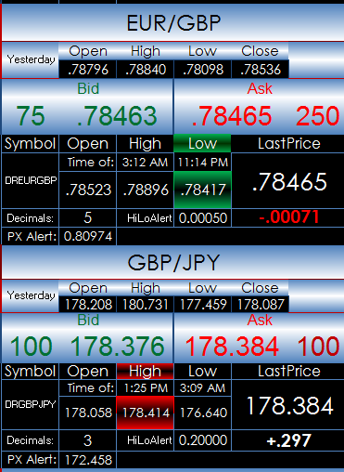
Always use upper case for symbols.

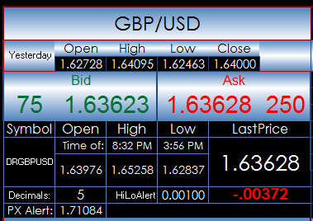

Enter into the Symbol Box the symbol.
Set the number of decimals for the prices.
The top row is the previous session’s open, high, low, and close
You can see the session time for the high and the low.
Next to the HiLoAlert is a value that if the difference between the high
or low and the last price is that amount or less then the high or low is
backlighted red or green.
The PX Alert is a value that if the last price trades at
that value, the last prices is highlighted in red.

For the correlation matrix enter into the center column the symbols.
Enter in the bars for the look back and the time frame next to Period.
The %NC both uses histogram data bars and heat mapping to indicate
the extreme values.
The 3-bar correlation is the last three daily closes compared to time.
A +1.00 reading indicates three positive closes in a row.
A -1.00 reading indicates three negative closes in a row.
The correlation matrix indicates the top five correlated markets (green)
and the bottom five correlated markets (red).

The 5-minute daily percent change chart is using the
same symbols used in the correlation matrix.

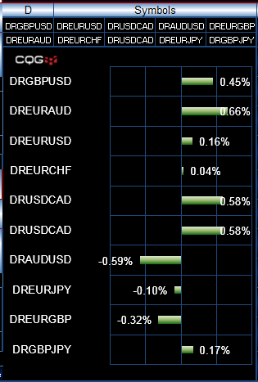
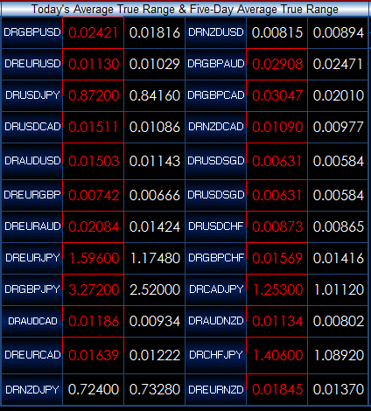
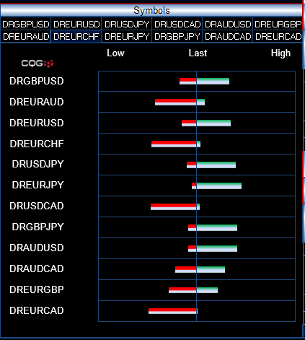

This chart is showing percent net change. | This display is comparing today’s true range to | This display is similar to the CQG Thermometer.
You can use any time frame. | the 5-day average true range. If today’s range is | The daily ranges are normalized. The last price
Here, the time frame is daily. | greater than the 5-day ATR, then the value is red. | Is displayed as a percentage of where it is
You can change the symbols. | You can change the symbols. | located relative to the high and low. If the
 |  | bar is showing a lot of red to the left, then the
 |  | last is near the high. If the bar is showing a lot
 |  | of green to the right, then the last is near the low.

