Instructions
Symbol | HiLo Alert
EP | 2.5
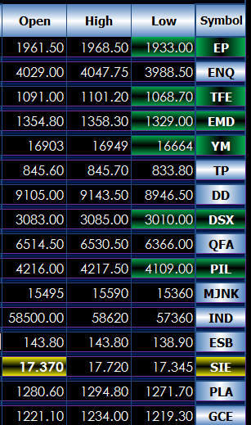
ENQ | 2
TFE | 2 | Enter in the symbols in the first left-hand column on the Quote Display tab.
EMD | 2 | This page will display the same images.
YM | 25 | In the HiLo Alert column displayed here, please enter in points difference
TP | 0.5 | to be used for comparing the last to the high and low.
DD | 5 | If the last is within this amount from the high then the high and symbol
DSX | 5 | will be highlighted in red.
QFA | 2 | If the last is within this amount from the low then the low and the symbol
PIL | 10 | will be highlighted in green.
MJNK | 10 | If the last matches the open, the the open and symbol will be highlighted
IND | 5 | in yellow.
ESB | 0.05
SIE | 0.005
PLA | 2
GCE | 2
NGE | 0.025
CLE | 0.5
HOE | 0.0025
RBE | 0.0025
QO | 0.5
ET | 0.0015
EU6 | 0.0015
BP6 | 0.000025
DA6 | 0.0015
CA6 | 0.0015
ZSE | 0.0005
ZCE | 0.00005
ZWA | 0.0015

